Description
Registered Dose Compositor Scenario
Instructions for use test scenarios
Module Overview

Description:
This test scenario provides the registered dose compositing planner actor with RO-DC1, MMRO-II-2 and RAD 4.8 and receives RO-DC2
- Checks the correct storage of Single Series CT dataset (DICOM association & interaction level)
- Checks the correct storage of Spatial Registration dataset (DICOM association & interaction level)
- Checks the correct storage of General Dose dataset (DICOM association & interaction level)
- Validation of the created Composite Dose (RO-DC2) (including RO critical modules)
- Verifies the critical attribute mapping requirements

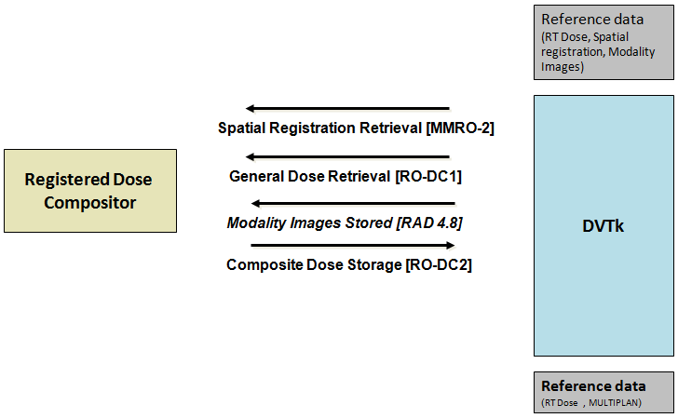

When this scenario starts the following dialog will show up.
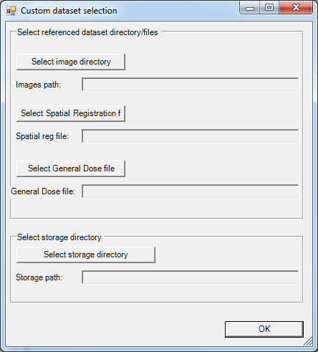

Select the directory where the images are located and where the storage file need to be saved, for the other IOD's a file needs to be selected.

Transactions sent to actor:
MMRO-2 (Spatial Registration Retrieval)
RO-DC1 (General Dose Retrieval)
RAD-4.8 (Modality Images Stored)

Expected transactions from actor:
RO-DC2 (Composite Dose Storge)

Used scenario dataset:
This scenario uses the selected test dataset.

